Application Screen
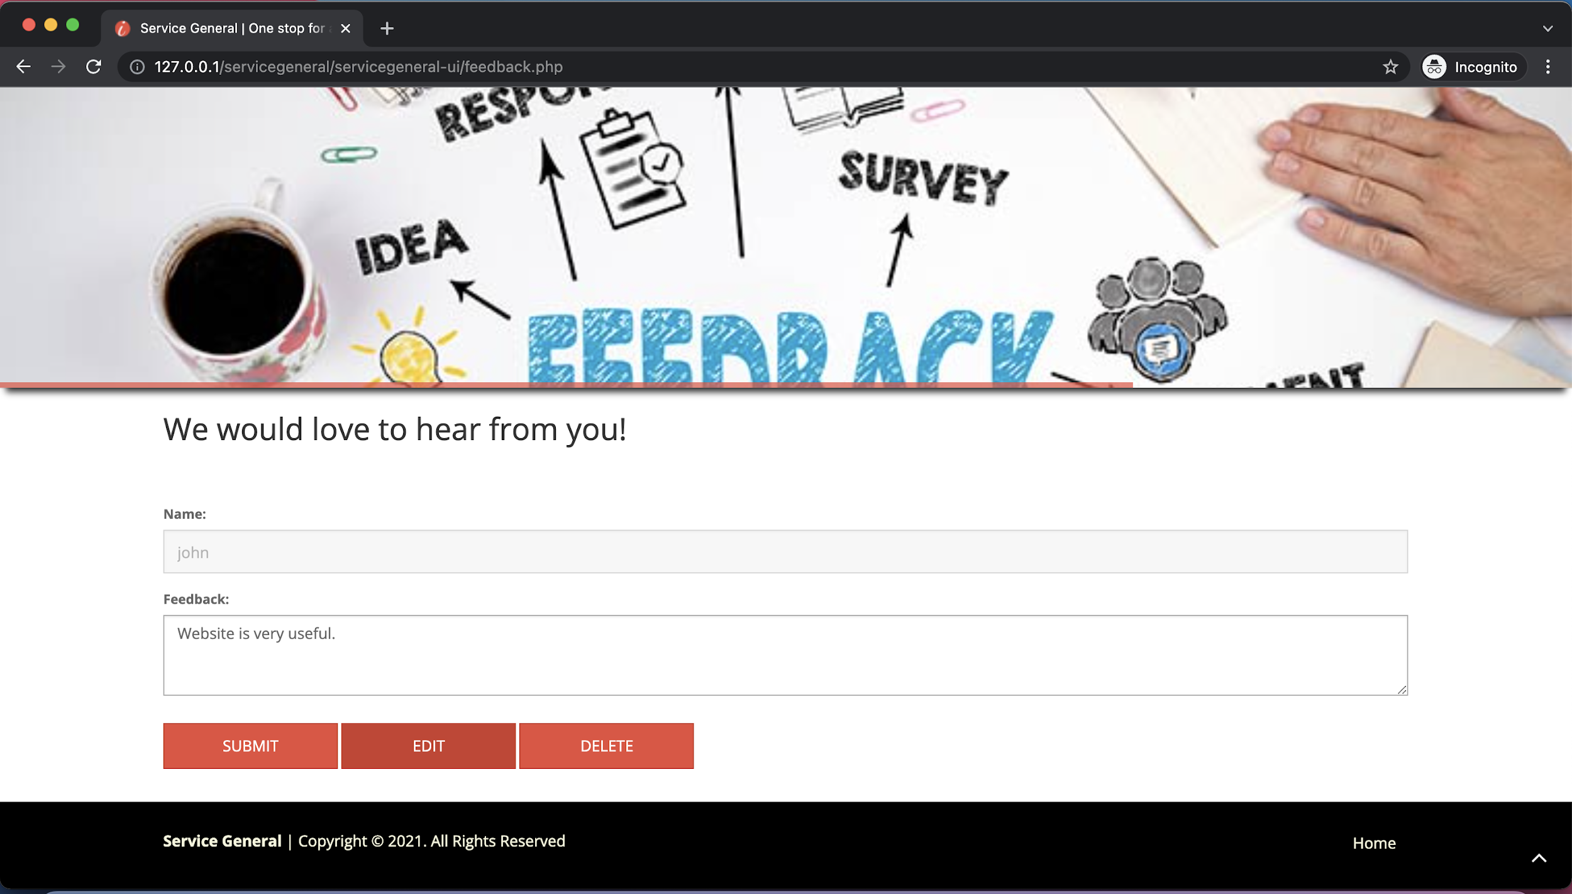

Test Case 3
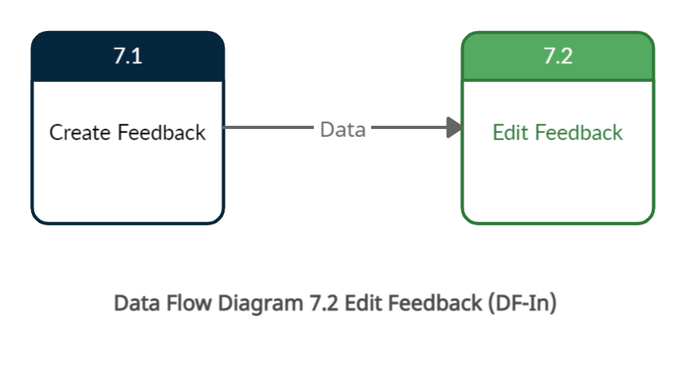
TC Title: | TC3. Edit Feedback - DF-In - Data Flow In

TC Objective: | This test case validates that the data from feature 7.1 create feedback flows in to feature 7.2 Edit Feedback and this data is stored on the database.

TC Description
 | Step | Step Description | Expected Results
 | 1 | Go to the Application and login with consumer login | Login should be succesfull.
 | 2 | Go to the Feedback page, and edit the feedback. | Updated feedback should be populated in the Feedback page. So data will flow beetween the create feedback and edit feedback, already created feedback should be flow from created feedback feature to the edit feedback feature.

